Sheet1
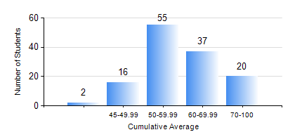
 |  |  | KWAME NKRUMAH UNIVERSITY OF SCIENCE AND TECHNOLOGY, KUMASI Department of Computer Engineering

 |  |  | BSC. COMPUTER ENG.

 |  |  | COMPREHENSIVE RECORD OF EXAMINATION RESULTS

 |  |  | RESULTS OF YEAR 3 FIRST SEMESTER, 2019/2020 ACADEMIC YEAR

 | Sn | Course Code |  | Course Name | Credit Hours | Min. Mark | Max. Mark | Avg. Mark | Std. Dev. | No. Passed | No. Trailed | No. (Df) | No. (I) | No. (I*) | No. Tagged(I,I*,Df) | Total
 | 0. |  |  |  |  |  |  | 0 | 0 | 0 | 0 | 0 | 0 | 0 | 0 | 8
 | 1. | COE 343 |  | INFORMATION THEORY | 2 | 41 | 85 | 60 | 10.28 | 122 | 0 | 0 | 0 | 0 | 0 | 122
 | 2. | COE 351 |  | OBJECT ORIENTED PROGRAMMING | 4 | 0 | 85 | 61 | 17.43 | 108 | 14 | 0 | 0 | 0 | 0 | 122
 | 3. | COE 371 |  | LINEAR ELECTRONIC CIRCUITS | 3 | 18 | 98 | 52 | 15.07 | 108 | 14 | 0 | 0 | 0 | 0 | 122
 | 4. | COE 381 |  | MICROPROCESSORS | 3 | 5 | 96 | 51 | 14.4 | 116 | 6 | 0 | 0 | 0 | 0 | 122
 | 5. | COE 387 |  | CLASSICAL CONTROL SYSTEMS | 3 | 16 | 100 | 65 | 18.79 | 116 | 6 | 0 | 0 | 0 | 0 | 122
 | 6. | MATH 351 |  | NUMERICAL ANALYSIS | 2 | 29 | 83 | 55 | 10 | 119 | 3 | 0 | 0 | 0 | 0 | 122
 | 7. | MATH 353 |  | STATISTICS | 2 | 47 | 90 | 71 | 9.75 | 122 | 0 | 0 | 0 | 0 | 0 | 122

